Technical Bits
 | Issue or Risk | Significance | Likelihood | Consequences | Table
 | Issue | Very Significant | Almost Certain | Extreme | A1 | Not Significant
 | Risk | Significant | Likely | Very High | A2 | Not Significant
 |  | Not Significant | Moderate | Medium | A3 | Not Significant
 |  | Unknown | Unlikely | Low | A4 | Significant
 |  |  | Rare | Negligible | A5 | Significant
 |  |  |  |  | B1 | Not Significant
 |  |  |  |  | B2 | Not Significant
 |  |  |  |  | B3 | Significant
 |  |  |  |  | B4 | Significant
 |  |  |  |  | B5 | Very Significant
RISK TABLE |  |  |  |  | C1 | Not Significant
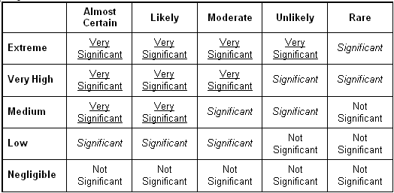
 |  |  |  |  | C2 | Significant
 |  |  |  |  | C3 | Significant
 |  |  |  |  | C4 | Very Significant
 |  |  |  |  | C5 | Very Significant
 |  |  |  |  | D1 | Not Significant
 |  |  |  |  | D2 | Significant
 |  |  |  |  | D3 | Very Significant
 |  |  |  |  | D4 | Very Significant
 |  |  |  |  | D5 | Very Significant
 |  |  |  |  | E1 | Not Significant
 |  |  |  |  | E2 | Significant
 |  |  |  |  | E3 | Very Significant
 |  |  |  |  | E4 | Very Significant
 |  |  |  |  | E5 | Very Significant

Likelihood |  | Consequences
A | Rare | 1 | Negligible
B | Unlikely | 2 | Low
C | Moderate | 3 | Medium
D | Likely | 4 | Very High
E | Almost Certain | 5 | Extreme

IFS:
(the statements are in these cells

